Main
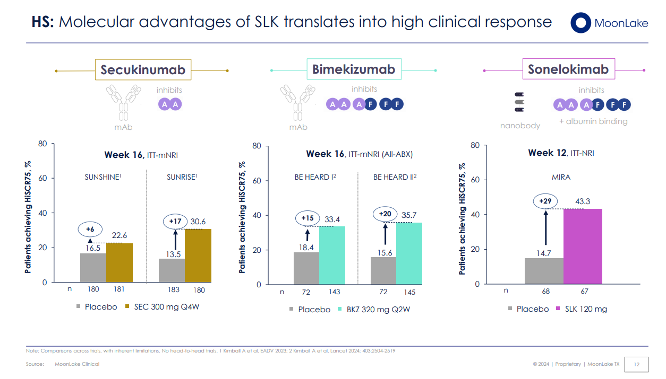
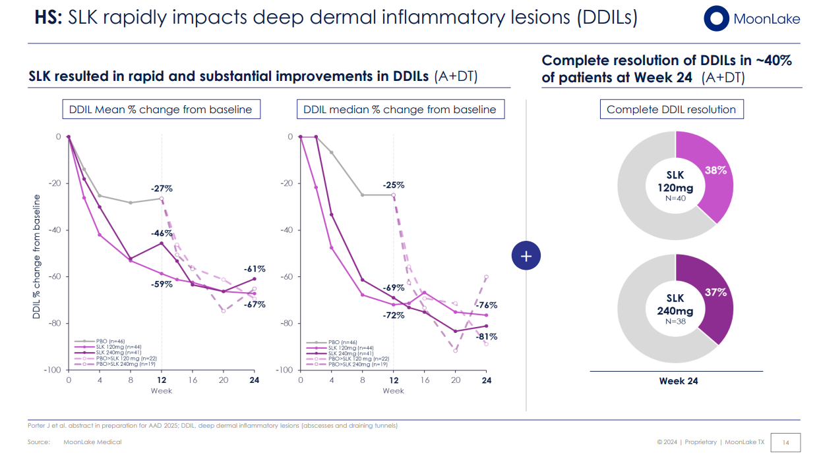
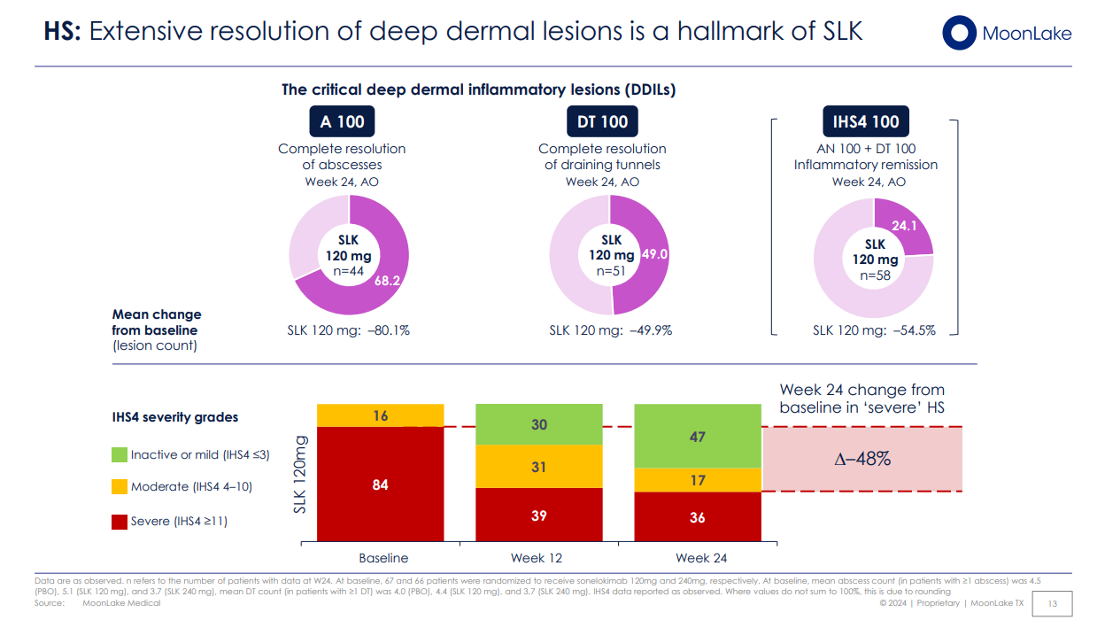
Ticker | MLTX | hidradenitis suppurativa |  | https://conexiant.com/dermatology/articles/sonelokimab-biologics-show-benefit-in-hidradenitis-suppurativa/
Price | 54.9 | VELA Trials
S/O | 64,231 | interleukin IL-17A and IL-17F
Mkt Cap | 3,526,267 |  |  | adalimumab
Cash | 428 | Sonelokimab |  | Bimekizumab
Debt | 102 |  |  | Secukinumab
EV | 3,525,940 | PIIb | M1095-HS-201
 |  | n = 214 | https://clinicaltrials.gov/study/NCT05322473
In Thousands |  | Primary endpoint HiSCR75 met with 29 percentage points (ppt) delta vs placebo (p=0.0002) at week 12, setting a new bar in HS

 |  | https://clinicaltrials.gov/study/NCT03384745
 |  | n=313

